工作表1
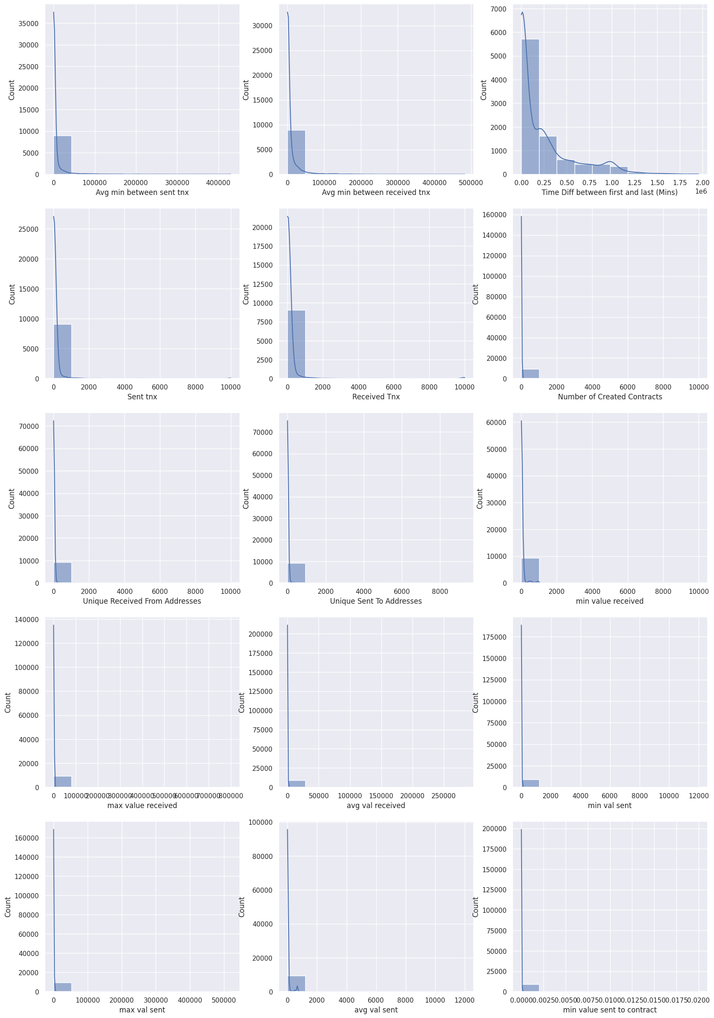
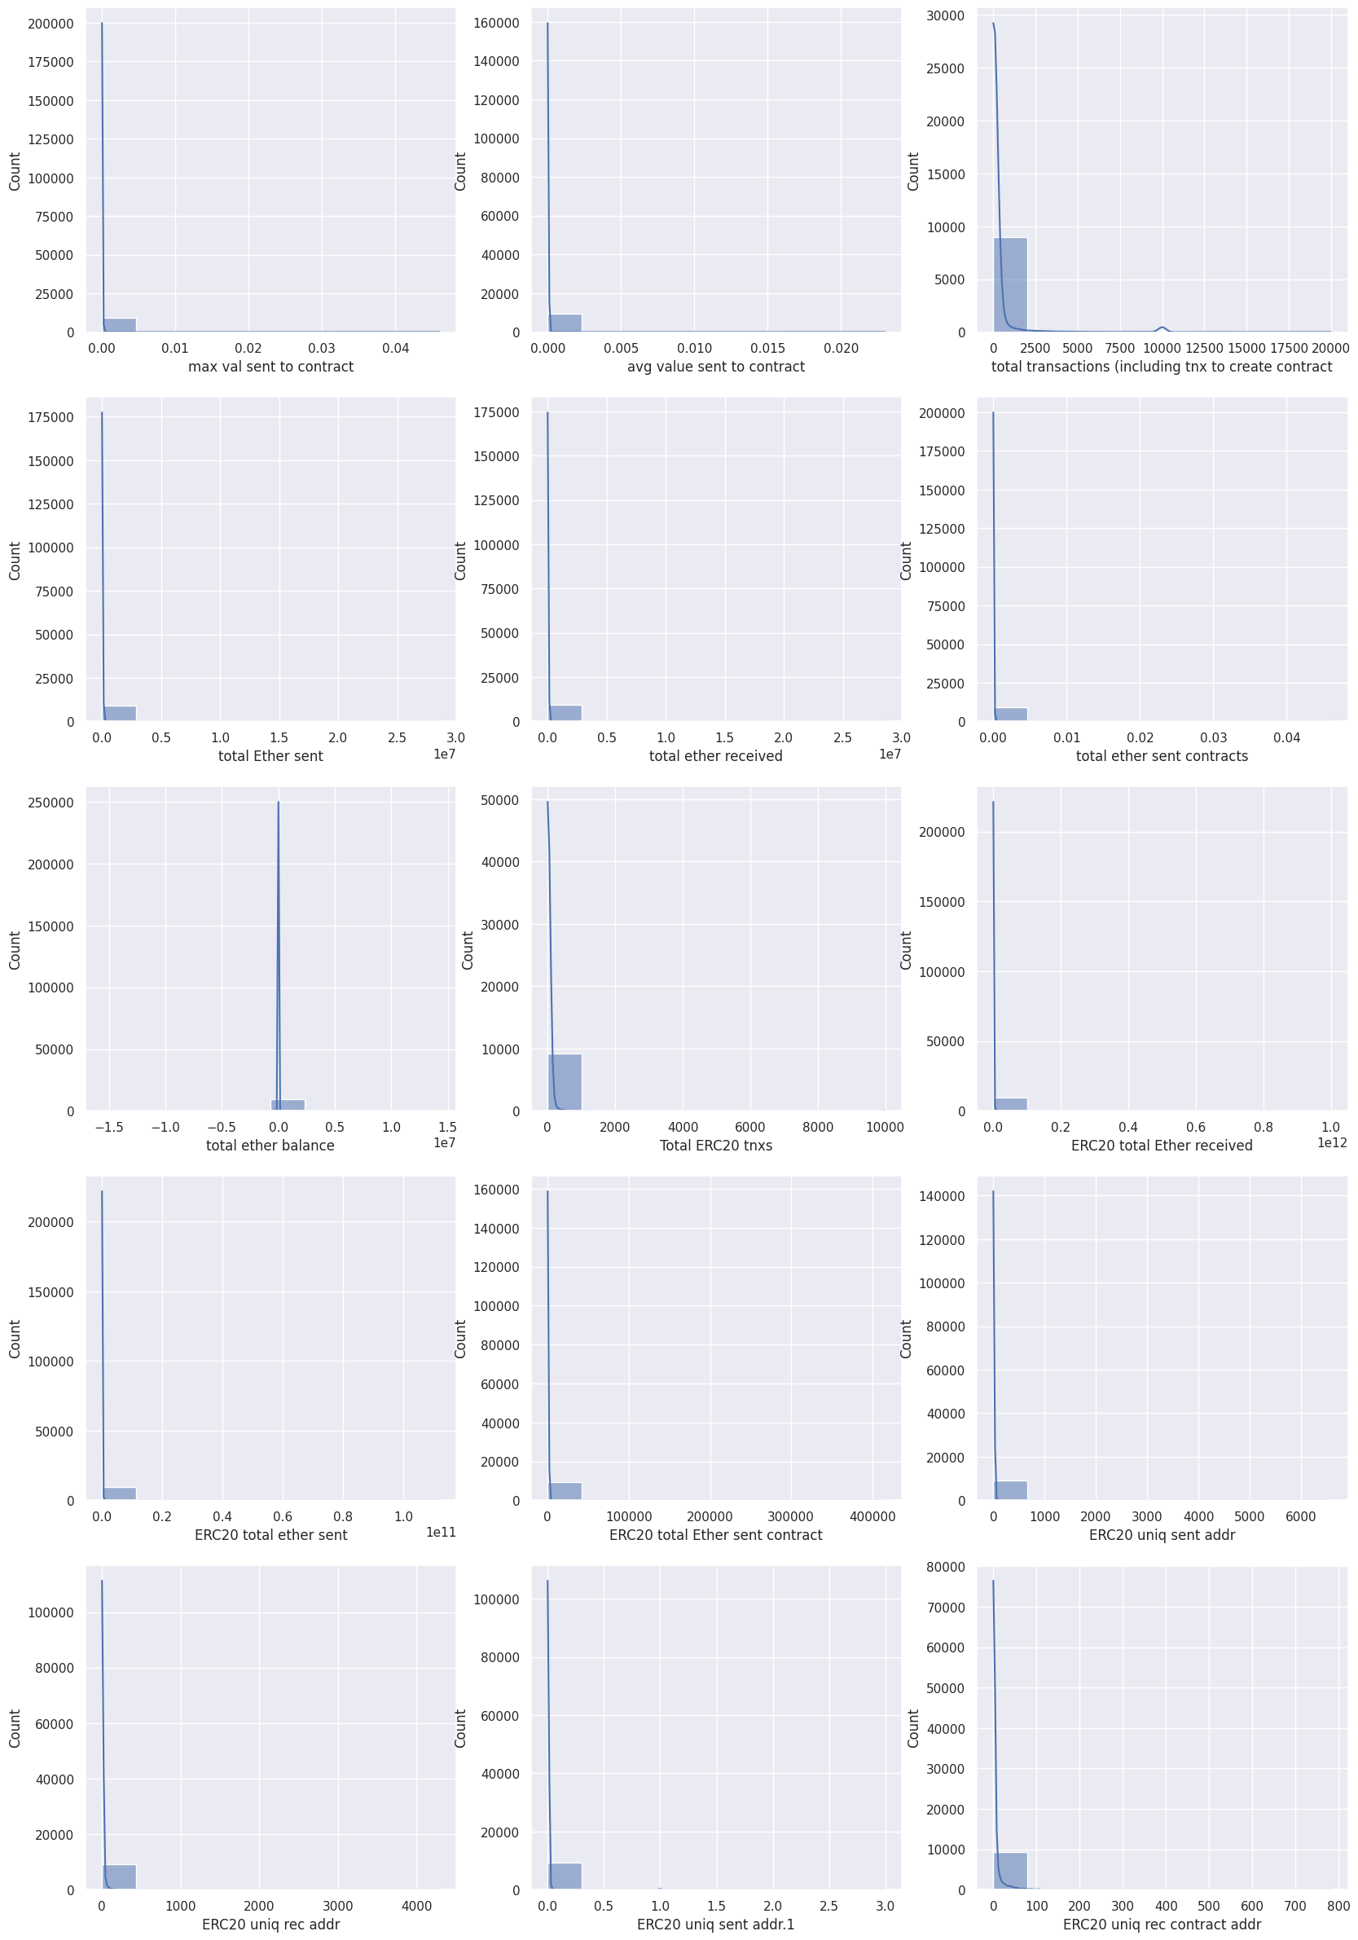
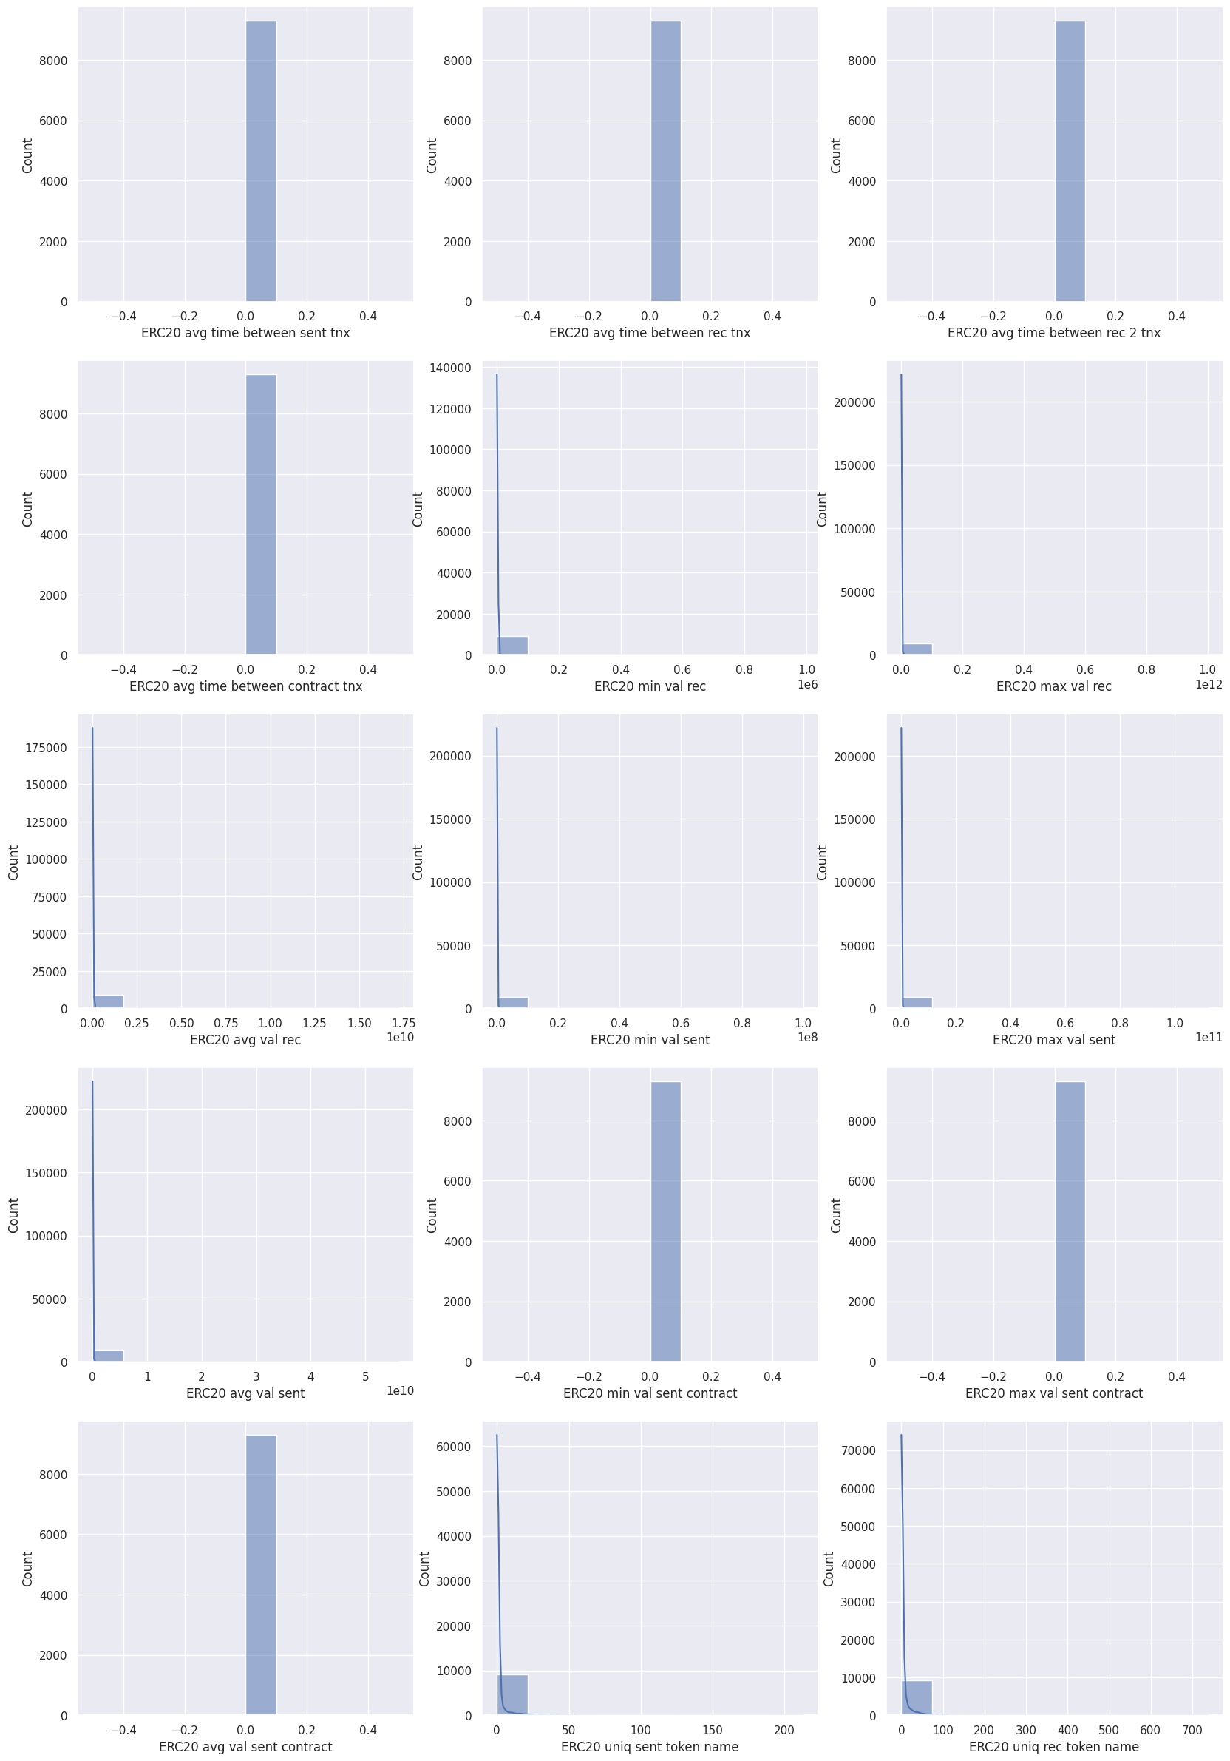
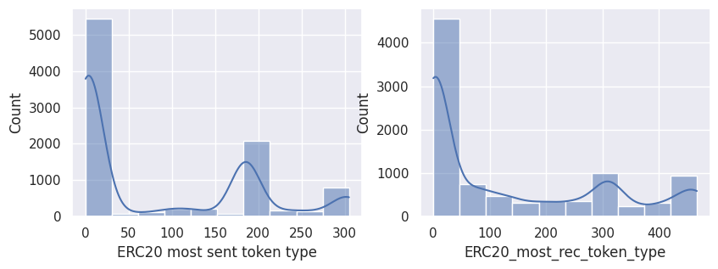
欄位 | Skewness 偏度 | 偏態 | Kurtosis 峰度
Avg min between sent tnx | 8.183979 | 右偏態(Positive Skewness) | 89.810629
Avg min between received tnx | 6.571434 | 右偏態(Positive Skewness) | 64.545098
Time Diff between first and last (Mins) | 1.734637 | 右偏態(Positive Skewness) | 2.659447
Sent tnx | 10.185436 | 右偏態(Positive Skewness) | 113.813628
Received Tnx | 8.566608 | 右偏態(Positive Skewness) | 77.817958
Number of Created Contracts | 50.263983 | 右偏態(Positive Skewness) | 2941.270044
Unique Received From Addresses | 17.605228 | 右偏態(Positive Skewness) | 395.465591
Unique Sent To Addresses | 17.836912 | 右偏態(Positive Skewness) | 387.448988
min value received | 22.671859 | 右偏態(Positive Skewness) | 622.788571
max value received | 45.117507 | 右偏態(Positive Skewness) | 2254.931976
avg val received | 93.805873 | 右偏態(Positive Skewness) | 8956.450222
min val sent | 71.362993 | 右偏態(Positive Skewness) | 5623.665273
max val sent | 58.155816 | 右偏態(Positive Skewness) | 3960.791183
avg val sent | 24.908185 | 右偏態(Positive Skewness) | 985.347138
min value sent to contract | 77.602339 | 右偏態(Positive Skewness) | 6319.127541
max val sent to contract | 76.629964 | 右偏態(Positive Skewness) | 6313.453672
avg value sent to contract | 61.817209 | 右偏態(Positive Skewness) | 3947.158999
total transactions (including tnx to create contract | 6.646963 | 右偏態(Positive Skewness) | 47.032923
total Ether sent | 60.608503 | 右偏態(Positive Skewness) | 4262.889767
total ether received | 57.14114 | 右偏態(Positive Skewness) | 3922.726782
total ether sent contracts | 76.629811 | 右偏態(Positive Skewness) | 6313.429333
total ether balance | -1.172408 | 左偏態(Nagative Skewness) | 2961.682318
Total ERC20 tnxs | 20.240856 | 右偏態(Positive Skewness) | 432.206893
ERC20 total Ether received | 96.282786 | 右偏態(Positive Skewness) | 9278.435321
ERC20 total ether sent | 96.262794 | 右偏態(Positive Skewness) | 9275.753294
ERC20 total Ether sent contract | 60.202862 | 右偏態(Positive Skewness) | 3750.706143
ERC20 uniq sent addr | 41.281993 | 右偏態(Positive Skewness) | 2162.345591
ERC20 uniq rec addr | 38.179431 | 右偏態(Positive Skewness) | 1809.984051
ERC20 uniq sent addr.1 | 24.088721 | 右偏態(Positive Skewness) | 748.035013
ERC20 uniq rec contract addr | 16.661992 | 右偏態(Positive Skewness) | 570.762366
ERC20 avg time between sent tnx | 0 | 右偏態(Positive Skewness) | 0
ERC20 avg time between rec tnx | 0 | 右偏態(Positive Skewness) | 0
ERC20 avg time between rec 2 tnx | 0 | 右偏態(Positive Skewness) | 0
ERC20 avg time between contract tnx | 0 | 右偏態(Positive Skewness) | 0
ERC20 min val rec | 51.322302 | 右偏態(Positive Skewness) | 2872.711866
ERC20 max val rec | 96.31044 | 右偏態(Positive Skewness) | 9281.999964
ERC20 avg val rec | 72.13271 | 右偏態(Positive Skewness) | 5469.025189
ERC20 min val sent | 96.35959 | 右偏態(Positive Skewness) | 9288.410431
ERC20 max val sent | 96.381823 | 右偏態(Positive Skewness) | 9291.284778
ERC20 avg val sent | 96.397867 | 右偏態(Positive Skewness) | 9293.356885
ERC20 min val sent contract | 0 | 右偏態(Positive Skewness) | 0
ERC20 max val sent contract | 0 | 右偏態(Positive Skewness) | 0
ERC20 avg val sent contract | 0 | 右偏態(Positive Skewness) | 0
ERC20 uniq sent token name | 12.576141 | 右偏態(Positive Skewness) | 264.866226
ERC20 uniq rec token name | 15.853824 | 右偏態(Positive Skewness) | 521.526865
ERC20 most sent token type | 0.786709 | 右偏態(Positive Skewness) | -0.898467
ERC20_most_rec_token_type | 0.794099 | 右偏態(Positive Skewness) | -0.884499

